D1
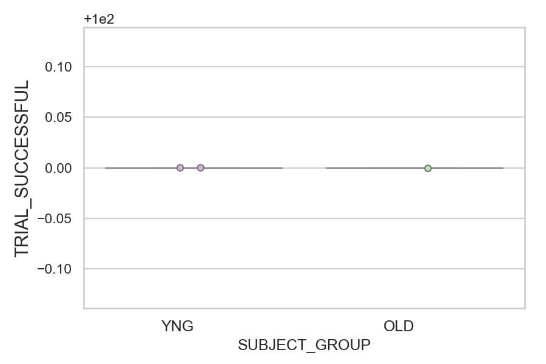
Total number of successful trials (correct or corrected saccades made) (percentage)
SUBJECT_NAME | SUBJECT_GROUP | NUMBER_OF_SUCCESSFUL_TRIALS | TOTAL_NUMBER_OF_TRIALS | SUBJECT_AGE | VALUE
AW001CG | YNG | 28 | 28 | 19 | 100
AW002AF | YNG | 28 | 28 | 19 | 100
CP001CTA | OLD | 28 | 28 | 65 | 100

D1 (types)
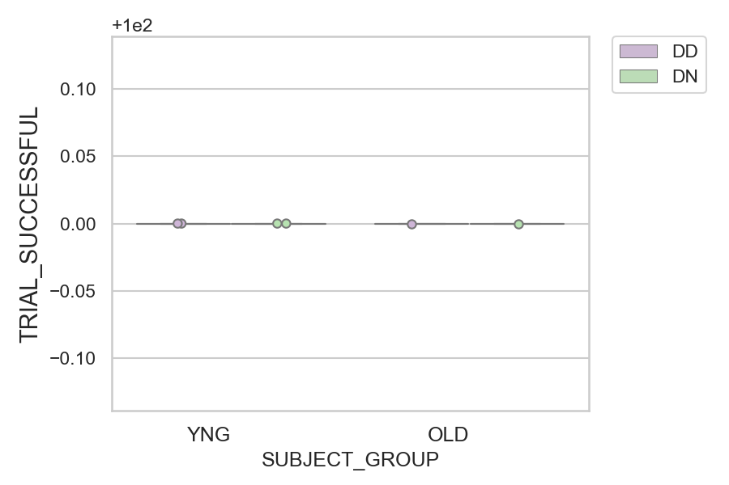
Total number of successful trials (correct or corrected saccades made) (percentage)
SUBJECT_NAME | SUBJECT_GROUP | CONDITION_APPEARANCE | NUMBER_OF_SUCCESSFUL_TRIALS | TOTAL_NUMBER_OF_TRIALS | SUBJECT_AGE | VALUE
AW001CG | YNG | DD | 10 | 10 | 19 | 100
AW001CG | YNG | DN | 18 | 18 | 19 | 100
AW002AF | YNG | DD | 9 | 9 | 19 | 100
AW002AF | YNG | DN | 19 | 19 | 19 | 100
CP001CTA | OLD | DD | 9 | 9 | 65 | 100
CP001CTA | OLD | DN | 19 | 19 | 65 | 100

